커넥티드 관련 서비스
CCS_093 |  |  | English Translation | English Translation | English Translation |  | English Translation | English Translation
ID | Test method | TC design method | Verification items | detail | Precondition | Step | Execution Procedure | Expected value | 결과 | 측정값 | 판정 | 비고 | 매뉴얼 기본 | 자동화 기본 | 자동화 반영 | 사양구분 | 과거차문제
CCS_001 | ▪ Requirement-based test | ▪ Requirement Analysis | SOME/IP related to built-in cam information transmission while driving | Check BLTN_CAM ↔ CCU SOME/IP connection status | ▪ Built-in Cam Boot Complete ▪ BLTN_CAM_State = 0x0 (BLTN_CAM Valid) ▪ BLTN_CAM_SD_Card_State = 0x0 (Good) ▪ Associated Controller CAN/Ethernet Communication Enabled ▪ Power: KEY ON ▪ Voltage: 12V | 1 | ▪ Enter Built-in Cam Mode ▪ Playback of arbitrary driving continuous video | ▪ Built-in Cam → Transmit CCU SwInfo, Status information (Verified by checking if SOME/IP communication is established) : Display video list, video will be played on the HU |  |  |  |  | X | X | X | 주차 중 상시 녹화_지원
CCS_031 | ▪ Requirement-based test | ▪ Requirement Analysis | [Record Events While Parked] : Event Notification While Parked 1 | Event recording time -10s ~ +10s, continuous recording | ▪ Built-in Cam Boot Complete ▪ BLTN_CAM_State = 0x0 (BLTN_CAM Valid) ▪ BLTN_CAM_SD_Card_State = 0x0 (Good) ▪ Associated Controller CAN/Ethernet Communication Enabled ▪ Power: KEY ON ▪ Voltage: 12V ▪ Settings: Park Event Recording, Park Event Notification ON | 1 | ▪ Set the corresponding event recording time (Bfr, Aft) in the built-in cam settings screen BLTN_CAM_EV_BfrTime_NvalueSet = 0x0 (-10s) BLTN_CAM_EV_AftTime_NvalueSet = 0x0 (+10s) ▪ KEY OFF ▪ Enter Sleep state ▪ Apply impact at 2-second intervals for 1 minute | ▪ From the time event recording ends during parking until video information transmission is complete (max. 5 minutes) : BLTN_CAM_PEV_Recorded = 0x02 (Park Event Recorded) |  |  |  |  | X | X | X | 주차충격 알림_지원
 |  |  |  |  |  | 2 | ▪KEY ON ▪Check event recording file while parked | ▪ No black thumbnails in the video list ▪ Filenames in the video list will be displayed at the time the impact was detected ▪ No video glitches, green screens, black screens, or noise ▪ The number of generated video recording files must match the impact count value |  |  |  |  | X | X | X | 주차충격 알림_지원
CCS_032 | ▪ Requirement-based test | ▪ Requirement Analysis | [Record Events While Parked] : Event Notification While Parked 1 | Event recording time -15s ~ +15s, continuous recording | ▪ Built-in Cam Boot Complete ▪ BLTN_CAM_State = 0x0 (BLTN_CAM Valid) ▪ BLTN_CAM_SD_Card_State = 0x0 (Good) ▪ Associated Controller CAN/Ethernet Communication Enabled ▪ Power: KEY ON ▪ Voltage: 12V ▪ Settings: Park Event Recording, Park Event Notification ON | 1 | ▪ Set the corresponding event recording time (Bfr, Aft) in the built-in cam settings screen BLTN_CAM_EV_BfrTime_NvalueSet = 0x5 (-15s) BLTN_CAM_EV_AftTime_NvalueSet = 0x5 (+15s) ▪ KEY OFF ▪ Enter Sleep state ▪ Apply impact at 2-second intervals for 1 minute | ▪ From the time event recording ends during parking until video information transmission is complete (max. 5 minutes) : BLTN_CAM_PEV_Recorded = 0x02 (Park Event Recorded) |  |  |  |  | X | X | X | 주차충격 알림_지원
 |  |  |  |  |  | 2 | ▪KEY ON ▪Check event recording file while parked | ▪ No black thumbnails in the video list ▪ Filenames in the video list will be displayed at the time the impact was detected ▪ No video glitches, green screens, black screens, or noise ▪ The number of generated video recording files must match the impact count value |  | 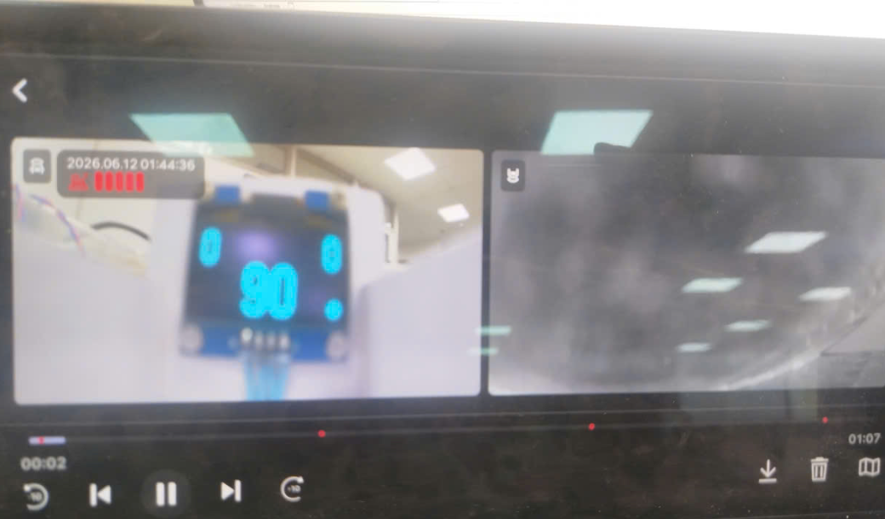 |  |  | X | X | X | 주차충격 알림_지원
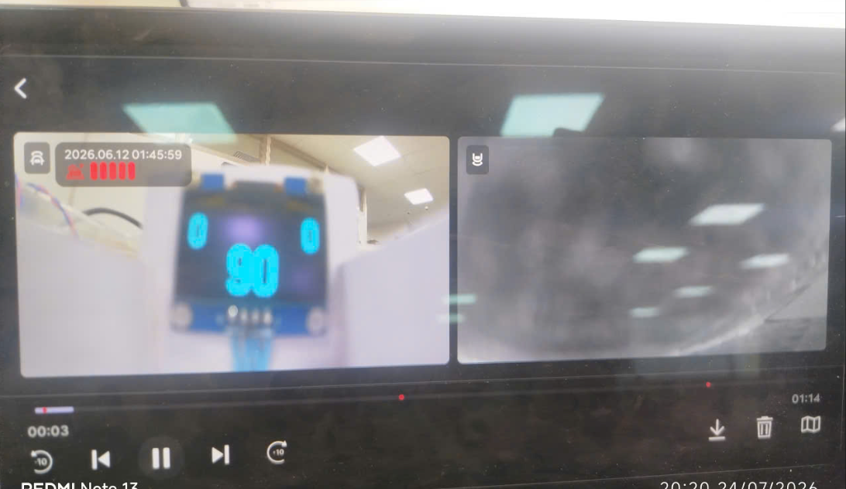
CCS_033 | ▪ Requirement-based test | ▪ Requirement Analysis | [Record Events While Parked] : Event Notification While Parked 1 | Event recording time -20s ~ +20s, continuous recording | ▪ Built-in Cam Boot Complete ▪ BLTN_CAM_State = 0x0 (BLTN_CAM Valid) ▪ BLTN_CAM_SD_Card_State = 0x0 (Good) ▪ Associated Controller CAN/Ethernet Communication Enabled ▪ Power: KEY ON ▪ Voltage: 12V ▪ Settings: Park Event Recording, Park Event Notification ON | 1 | ▪ Set the corresponding event recording time (Bfr, Aft) in the Built-in Cam settings screen BLTN_CAM_EV_BfrTime_NvalueSet = 0xA (-20s) BLTN_CAM_EV_AftTime_NvalueSet = 0aA (+20s) ▪ KEY OFF ▪ Enter Sleep mode ▪ Detect impact at 2-second intervals for 1 minute ▪ KEY ON ▪ Check event recording files while parked | ▪ From the time event recording ends during parking until video information transmission is complete (max. 5 minutes) : BLTN_CAM_PEV_Recorded = 0x02 (Park Event Recorded) |  |  |  |  | X | X | X | 주차충격 알림_지원
 |  |  |  |  |  | 2 | ▪KEY ON ▪Check event recording file while parked | ▪ No black thumbnails in the video list ▪ Filenames in the video list will be displayed at the time the impact was detected ▪ No video glitches, green screens, black screens, or noise ▪ The number of generated video recording files must match the impact count value |  |  |  |  | X | X | X | 주차충격 알림_지원
CCS_011 | ▪ Requirement-based test | ▪ Requirement Analysis | [Check Video Storage Specifications] : CCS File Specifications | Check event video thumbnail for CCS while parked | ▪ Built-in Cam Boot Complete ▪ BLTN_CAM_State = 0x0 (BLTN_CAM Valid) ▪ BLTN_CAM_SD_Card_State = 0x0 (Good) ▪ Associated Controller CAN/Ethernet Communication Enabled ▪ Power: KEY ON ▪ Voltage: 12V ▪ Settings: Park Event Recording, Park Event Notification ON | 1 | ▪ Key Off ▪ Continuous recording while parked (1 minute) ▪ Parking impact triggered ▪ With BLTN_CAM_PEV_Recorded = 0x2 Connect via ADB and extract the mp4 file from the /mnt/data/video folder ▪ Check the corresponding video | ▪ Front/Rear Resolution: 1280 * 720 ※ 2.5 Gen: 1490 * 720 ▪ Save/Playback Frame Rate: 10 FPS ▪ 1.5 Mbytes or less per file (based on 20 seconds) ▪ 10 seconds before the event ~ 10 seconds after, total 20 seconds ▪ Confirm saving of OSD area within event video for CCS - Date / Impact Intensity / GPS |  |  |  | JG1 P2 단계 이후 차종 현재 적용 차종 - GN7 FL - US4 KV(JAP) - DL3 PE2 | X | X | X | 주차충격 알림_지원
 |  |  |  |  |  | 2 | ▪ With BLTN_CAM_PEV_Recorded = 0x2 Connect via ADB and extract the jpg file from the /mnt/data/video folder ▪ Check the corresponding thumbnail | ▪ Front/Rear Resolution: 640 * 480 (Updated January 24) ※ 2.5 Gen: 640 * 480 ▪ Save/Playback Frame Rate: 10 FPS ▪ 90 Kbytes or less per file (based on 20 seconds) ▪ Confirmed saving of OSD area within event video for CCS - Date / Impact Intensity / GPS |  | 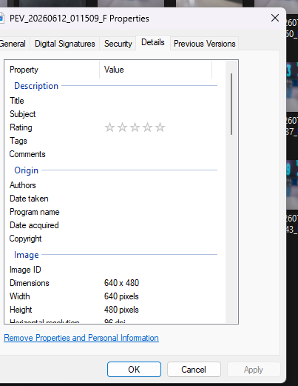 |  |  | X | X | X | 주차충격 알림_지원
 |  |  |  |  |  | 2 | ▪ KEY ON ▪ Enter Built-in Cam Mode ▪ Confirm creation of continuous recording while parked and event video files while parked | ▪ Confirmed that only 1 continuous parking recording file and 1 parking impact event were generated. |  |  |  |  | X | X | X | 주차충격 알림_지원
CCS_089 | ▪ Requirement-based test | ▪ Requirement Analysis | [Recording Events While Parked] : Parking Event Notification 8 | Insert non-genuine SD card | ▪ Built-in Cam Boot Complete ▪ BLTN_CAM_State = 0x0 (BLTN_CAM Valid) ▪ BLTN_CAM_SD_Card_State = 0x0 (Good) ▪ Associated Controller CAN/Ethernet Communication Enabled ▪ Power: KEY ON ▪ Voltage: 12V ▪ Settings: Continuous Recording While Parked, Event Recording While Parked ON | 1 | ▪Replace with non-genuine SD card : BLTN_CAM_SD_Card_State = 0X7 ▪KEY OFF ▪Impact applied | ▪BLTN_CAM_RecSta_PEV = 0x1 ▪ From the end of event recording during parking until the completion of video information transmission (max. 5 minutes) : BLTN_CAM_PEV_Recorded = 0x02 (Park Event Recorded) ▪BLTN_CAM_PEV_Count = 0x1 increment |  | 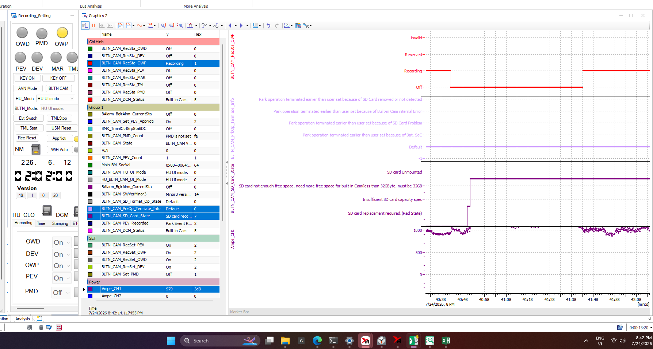 |  |  | X | X | X | 주차충격 알림_지원
CCS_012 | ▪ Requirement-based test | ▪ Requirement Analysis | [SD Card Impact Check] BLTN_CAM_PrkOp_Termiate_Info | SD card notification operation during continuous recording while parked | ▪ Built-in Cam Boot Complete ▪ BLTN_CAM_State = 0x0 (BLTN_CAM Valid) ▪ BLTN_CAM_SD_Card_State = 0x0 (Good) ▪ Associated Controller CAN/Ethernet Communication Enabled ▪ Power: KEY ON ▪ Voltage: 12V ▪ Setting: Continuous Recording While Parked ON | 1 | ▪ Remove SD card : BLTN_CAM_SD_Card_State = 0x3 (SD card unrecognizable or No SD card found) ▪ KEY OFF | ▪ Enter Sleep (Satisfies the quiescent current condition of 2mA or less during continuous recording while parked) : Consumes current in accordance with the continuous recording specifications while parked to enable continuous recording while parked when an SD card is inserted. |  |  |  |  | X | X | X | 주차 중 상시 녹화_지원
 |  |  |  |  |  | 2 | ▪ Insert SD card | ▪ Start continuous parking recording ▪ BLTN_CAM_PrkOp_Termiate_Info = 0x5 (Park operation started) - for 30 seconds ▪ Enter Sleep (Satisfies the dark current condition of 2mA or less during continuous parking recording) |  | 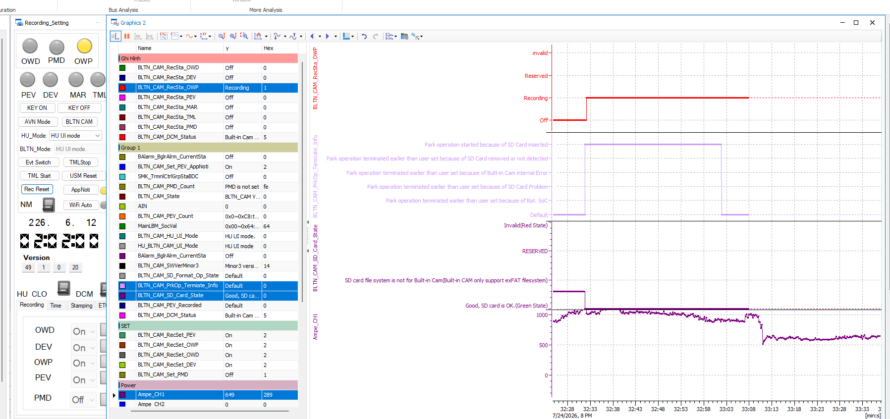 |  |  | X | X | X | 주차 중 상시 녹화_지원
 |  |  |  |  |  | 3 | ▪ SD card removal | ▪ BLTN_CAM_PrkOp_Termiate_Info = 0x4 (Park operation terminated earlier) - for 30 seconds ▪ Enter Sleep (Satisfies the dark current condition of 2mA or less during continuous recording while parked) |  | 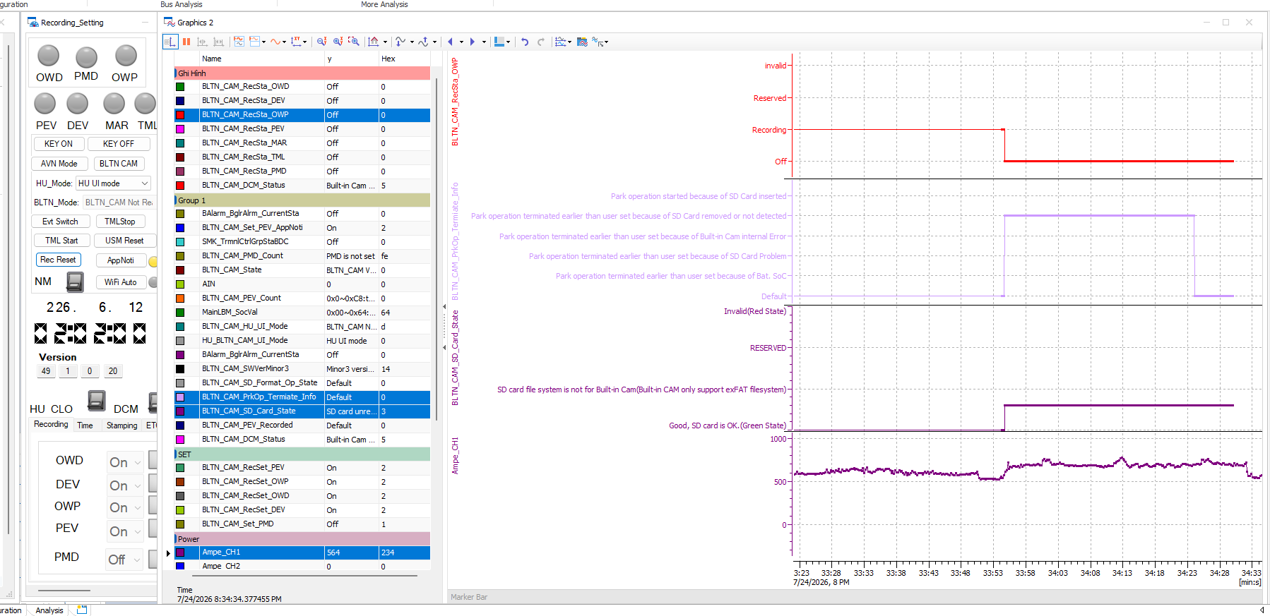 |  |  | X | X | X | 주차 중 상시 녹화_지원
 |  |  |  |  |  | 4 | ▪ Insert SD card (repeat insertion and removal 5 times to confirm) ▪ Wait until Network Sleep is reached with the card inserted | ▪ Parking continuous recording starts upon insertion / Ends upon removal ▪ BLTN_CAM_PrkOp_Termiate_Info = 0x5 (Park operation started) - for 30 seconds = 0x4 (Park operation terminated earlier) - for 30 seconds ▪ Enters Sleep (Satisfies the dark current condition of 2mA or less during continuous recording while parked) |  | 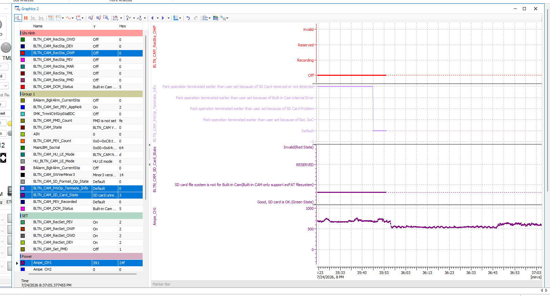 |  |  | X | X | X | 주차 중 상시 녹화_지원
CCS_079 | ▪ Requirement-based test | ▪ Requirement Analysis | [SD Card Impact Check] BLTN_CAM_PrkOp_Termiate_Info | Early termination due to an issue with the SD card memory | ▪ Built-in Cam Boot Complete ▪ BLTN_CAM_State = 0x0 (BLTN_CAM Valid) ▪ BLTN_CAM_SD_Card_State = 0x0 (Good) ▪ Associated Controller CAN/Ethernet Communication Enabled ▪ Power: KEY ON ▪ Voltage: 12V ▪ Setting: Continuous Recording While Parked ON | 1 | ▪ KEY OFF ▪ Insert NTFS formatted SD card ▪ Check BLTN_CAM_PrkOp_Termiate_Info signal | ▪ BLTN_CAM_PrkOp_Termiate_Info = 0x2 : Park operation terminated earlier than user set because of SD Card Problem | Fail |  |  |  | X | X | X | 주차 중 상시 녹화_지원

